ART
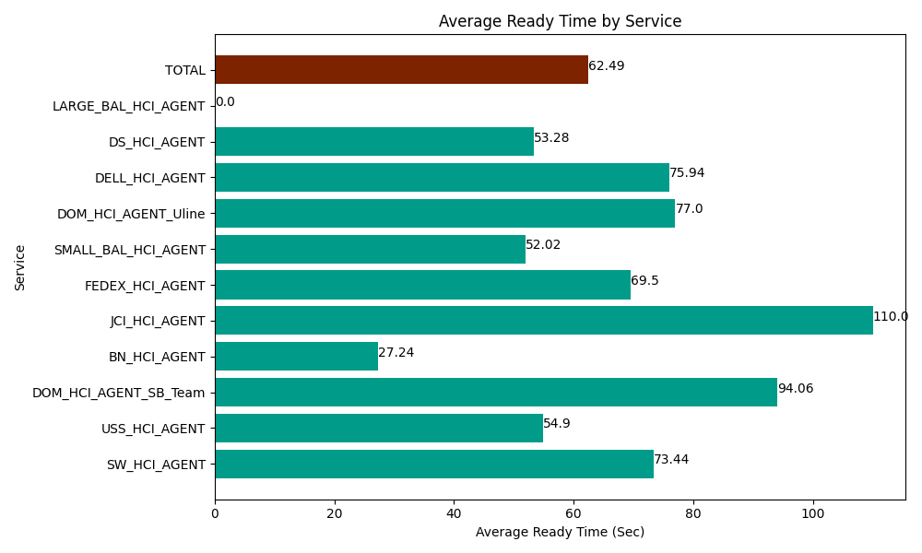
Date | Service | Successful Op Transfer | In Call (Sec) | Ready (Sec) | Wrapup (Sec) | Not Ready (Sec) | Average Ready Time (Sec)
06-19-2024 | SW_HCI_AGENT | 52 | 1579.1999817 | 3819.0000916 | 3121.2000275 | 3001.7999268 | 73.44
06-19-2024 | USS_HCI_AGENT | 72 | 8866.2002563 | 3952.7998352 | 11581.799927 | 2446.2000275 | 54.9
06-19-2024 | DOM_HCI_AGENT_SB_Team | 72 | 8476.2002563 | 6772.2001648 | 12652.800293 | 11116.799927 | 94.06
06-19-2024 | BN_HCI_AGENT | 1241 | 64852.800293 | 33802.800293 | 100805.99854 | 49462.800293 | 27.24
06-19-2024 | JCI_HCI_AGENT | 117 | 7945.1998901 | 12870 | 10761.000366 | 354.00000572 | 110
06-19-2024 | FEDEX_HCI_AGENT | 30 | 2275.1998901 | 2085 | 1362.0000458 | 1615.8000183 | 69.5
06-19-2024 | SMALL_BAL_HCI_AGENT | 13 | 1234.1999817 | 676.20002747 | 5509.1999817 | 112.79999971 | 52.02
06-19-2024 | DOM_HCI_AGENT_Uline | 60 | 3151.7999268 | 4620 | 4168.2000732 | 154.79999542 | 77
06-19-2024 | DELL_HCI_AGENT | 115 | 10111.799927 | 8733.0001831 | 38491.201172 | 11785.19989 | 75.94
06-19-2024 | DS_HCI_AGENT | 156 | 8275.7995605 | 8311.7999268 | 9577.800293 | 3605.9999084 | 53.28
06-19-2024 | LARGE_BAL_HCI_AGENT | 0 | 0 | 259.2000103 | 0 | 96.000001431 | 0
 | TOTAL | 1928 | 116768.39996 | 85902.000532 | 198031.20071 | 83752.199993 | 62.49

